Sheet1
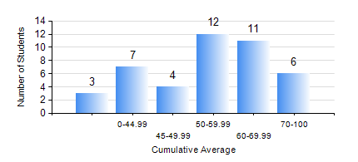
 |  |  | KWAME NKRUMAH UNIVERSITY OF SCIENCE AND TECHNOLOGY, KUMASI Department of Mechanical Engineering

 |  |  | BSC. AUTOMOBILE ENG.

 |  |  | COMPREHENSIVE RECORD OF EXAMINATION RESULTS

 |  |  | RESULTS OF YEAR 1 SECOND SEMESTER, 2022/2023 ACADEMIC YEAR

 | Sn | Course Code |  | Course Name | Credit Hours | Min. Mark | Max. Mark | Avg. Mark | Std. Dev. | No. Passed | No. Trailed | No. (Df) | No. (I) | No. (I*) | No. Tagged(I,I*,Df) | Total
 | 0. |  |  |  |  |  |  | 0 | 0 | 0 | 0 | 0 | 0 | 0 | 0 | 3
 | 1. | EE 152 |  | BASIC ELECTRONICS | 2 | 19 | 71 | 49 | 11.71 | 36 | 4 | 0 | 0 | 0 | 0 | 40
 | 2. | ENGL 158 |  | COMMUNICATION SKILLS II | 2 | 27 | 74 | 52 | 11.59 | 35 | 5 | 0 | 0 | 0 | 0 | 40
 | 3. | MATH 152 |  | CALCULUS WITH ANALYSIS | 4 | 31 | 76 | 47 | 13.03 | 32 | 8 | 0 | 0 | 0 | 0 | 40
 | 4. | ME 160 |  | ENGINEERING DRAWING | 3 | 40 | 86 | 64 | 11.72 | 40 | 0 | 0 | 0 | 0 | 0 | 40
 | 5. | ME 164 |  | STATICS OF SOLID MECHANICS | 2 | 40 | 94 | 56 | 14.42 | 40 | 0 | 0 | 0 | 0 | 0 | 40
 | 6. | ME 172 |  | MEASUREMENT AND INSTRUMENTATION | 2 | 41 | 94 | 69 | 14.36 | 40 | 0 | 0 | 0 | 0 | 0 | 40
 | 7. | ME 266 |  | THERMODYNAMICS I | 2 | 40 | 80 | 51 | 10.75 | 40 | 0 | 0 | 0 | 0 | 0 | 40

